1. Title Page
Project Name: Instacart Grocery Basket Analysis
Date: 16th Nov 2023
Analyst Name: Jinita Patel

Contents:
Population Flow
Consistency checks
Wrangling steps
Column derivations
Visualizations
Recommendations

Date Citation: The Instacart Online Grocery Shopping Dataset 2017: Accessed from www.instacart.com/datasets/grocery-shopping-2017 via Kaggle on Nov 4th 2023 Customer data and prices were fabricated

2. Population Flow
Population flow

Orders_products_combined
Orders_products_merged
Orders_products_all

Total: 32,434,489 rows, 9 columnns
Total: 32,404,859 rows, 14 columns
Total: 32,404,859 rows, 24

3. Consistency checks
 |  |  |  | Title page
Consistency checks

Dataset | Missing values | Missing values treatment | Duplicates
orders | days_since_prior_order : 206,209 (6%) | No treatment because users's first record would have no prior orders, hence null value in for 'days since prior order' make sense | no duplicates
products | product_name: 6 missing values | Removed the 6 rows for the analysis. | 5 duplciate rows. Removed the 5 rows for analysis
orders_products_prior | no missing values |  | no duplicates
customers | first_name: 11,259 | No treatment required on missing first name. This is PII data that will be droped at a later stage | no duplicates

4. Wrangling steps
Wrangling steps

Table Name | Columns Name | Columns dropped | Columns renamed | Columns' type changed | Comment/Reason
orders | eval_set | Yes |  |  | not required for analysis
 | order_number |  | number_of_orders |  | column name updated to make it more intutive to understand the data
 | order_dow |  | orders_day_of_week |  | updated the name of the column to be more intutive
 | user_id |  |  | integer > string | converted from integer to string as its an identifier
 | order_id |  |  |  | no change required
products | product_id |  |  | integer > string
orders_products_prior |  |  |  |  | no changes made to the dataset
orders_products_all | first name | Yes |  |  | For PII purposes the columns where dropped
 | last name | Yes |  |  | For PII purposes the columns where dropped
 | date_joined | Yes |  |  | not required for analysis
 | add_to_cart_order | Yes |  |  | not required for analysis
 | aisle_id | Yes |  |  | not required for analysis

5. Column derivations
Column derivations and aggregations

Dataset | New column | Column/s it was derived from | Conditions
orders_product_merged_busy_dayshours | price_range_loc | prices | if prices is less than 5, then price_range_loc is Low-range product else if prices is between 5 and 15, then price_range_loc is Mid-range product else prices is more than 15, then price_range_loc is High-range product
orders_product_merged_busy_dayshours | busiest_day | orders_days_of_week | if orders_days_of_weekk is 0, then set Busiest day else if orders_days_of_week is 4 then set Least busy else orders_days_of_week is other values, set Regular
orders_product_merged_busy_dayshours | busy_slow_days | orders_days_of_week | if orders_days_of_week is 0 or 1 then set Busiest days else if orders_days_of_week is 3 or 4, then set Slowest days else orders_days_of_week is other values, set Regular days
orders_product_merged_busy_dayshours | busiest_hours | order_hour_of_day | if order_hour_of_day is 0,1,2,3,4,5 or 6 hours, then Fewest orders else if order_hour_of_day is 10,11,12,13,14 or 15, then set Most orders else order_hour_of_day is other values, set Average orders
orders_product_cust_types | max_orders | number_of_orders, user_id | max number_of_orders per user_id
orders_product_cust_types | loyalty_flag | max_orders | if max_orders is more than 40, then set Loyal customer else if max_orders is more than 10 and less than equal to 40, then set Regular customer else max_orders is less than equal to 10, set New customer
orders_product_cust_types | mean_expenses | prices, user_id | mean prices per user_id
orders_product_cust_types | spender_type | mean_expenses | if mean_expensess is less than 10, then set Low spender else if expensess is more than equal to 10, then set High spender
orders_product_cust_types | median_days_prior_purchase | days_since_prior_order, user_id | median of days_since_prior_order per user_id
orders_product_cust_types | frequency_cust_type | median_days_prior_purchase | if median_days_prior_purchase is more than 20, then set Non-frequent customer else if median_days_prior_purchase is more than 10 and less than equal to 20, then set Regular customer else median_days_prior_purchase is less than equal to 10, set Frequent customer
ords_prod_cust_departments_kids | kids_flag | n_dependants | if n_dependants is 0, then set No Kids else if n_dependants is more than 0, then set Has Kids
ords_prod_cust_departments_kids | income_flag | income | if income is less than equal to 200,000, then set Low income else if income is more than 200,000, then set to High income

6. Visualizations
 |  |  |  |  |  |  |  |  |  | Title page

Visualisations and Insights

1. Time and Day of the Week of Orders

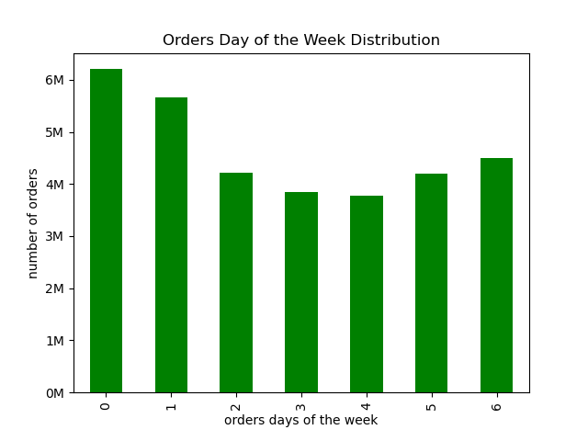


Fig 1.1
Fig 1.2
1. Peak hours for order is between 10am - 4pm
2. Most orders are made at 10am, 11am and 2pm
3. Off peak hours (minimum orders) are between 12am to 5am.
1. Saturday and Sunday is when most orders are made
2. Tuesday and Wednesday is when least orders made

2. Expenses and Order Hours Correlation

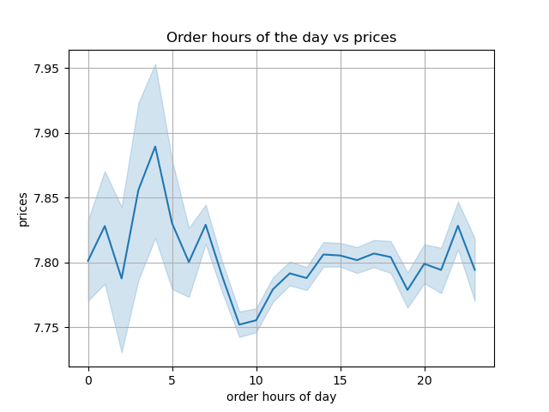

1. Expenses are highest at 4am
2. On average expenses are higher between 10pm and 7am, with peaks at 10pm, 1am, 4am and 7am

Fig 2.1

3. Price Distribution and Groups



 |  |  |  | Proposed Price Range Groups
 |  |  |  |  | Price Range ($) | Number of Products
 |  |  |  | Mid-range product | 5 to 15 | 21,860,860
 |  |  |  | Low-range product | <=5 | 10,126,321
 |  |  |  | High-range product | > 15 | 417,678
Fig 3.2

Fig 3.1

4. Department and Product Analysis

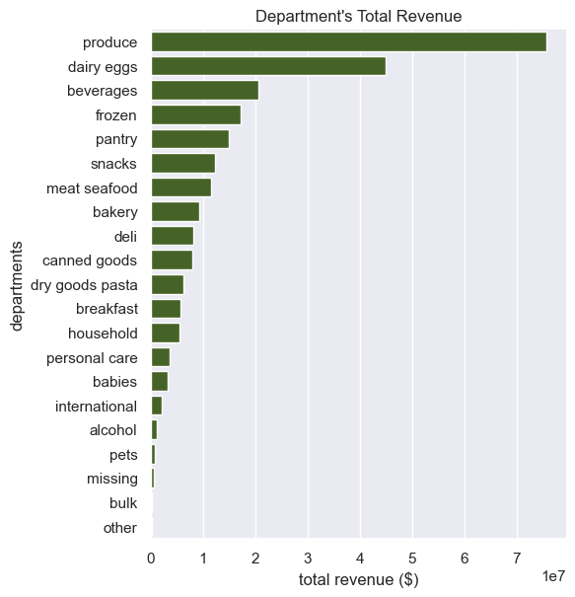
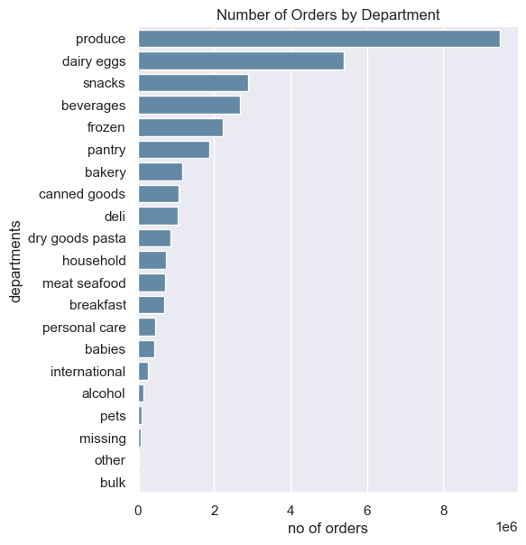

Fig 4.1
Fig 4.2

1. Top 2 departments that generate the most revenue and are popular are Produce and Dairy Eggs items
2. Eventhough snacks are ordered more frequently than beverages, frozen and pantry items, it generates less revenue
3. Items in Bulk, Other and Missing departments are ordered less frequently and generate the least revenue

Top 10 Most Popular Items in the Produce Department

 | Producet Name | Total Orders
 | Banana | 472,565
 | Bag of Organic Bananas | 379,450
 | Organic Strawberries | 264,683
 | Organic Baby Spinach | 241,921
 | Organic Hass Avocado | 213,584
 | Organic Avocado | 176,815
 | Large Lemon | 152,657
 | Strawberries | 142,951
 | Limes | 140,627
 | Organic Raspberries | 137,057
 | Organic Yellow Onion | 113,426
Fig 4.3

4.1 Price Ranges by Department

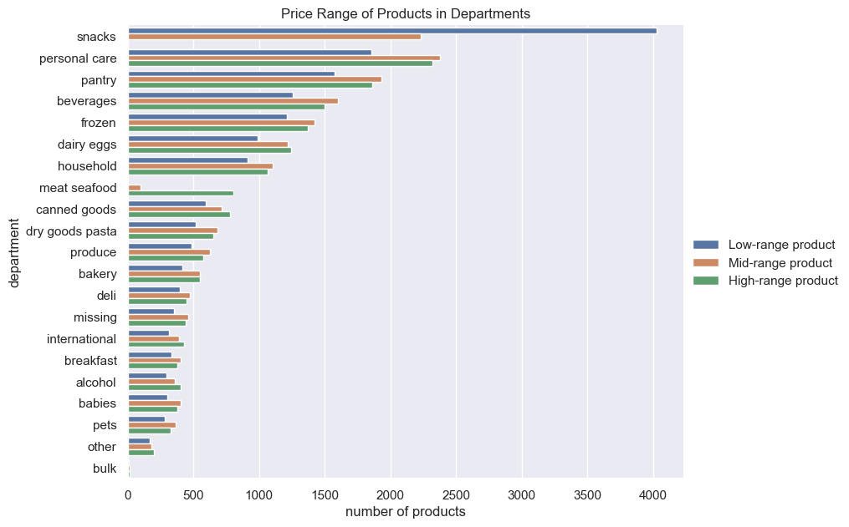

1. Snacks generate the least revenue despite high order frequency. This is because large percentage of producs are priced less than $5 (low-range products).
2. Meat seafood is the only department with mid and high range products
3. Personal care department contains highest number of high range products
4. Least number of products are in bulk department

Fig 4.4

5. Regional Analysis

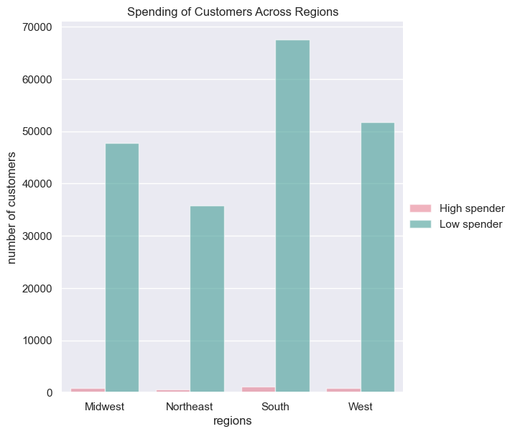
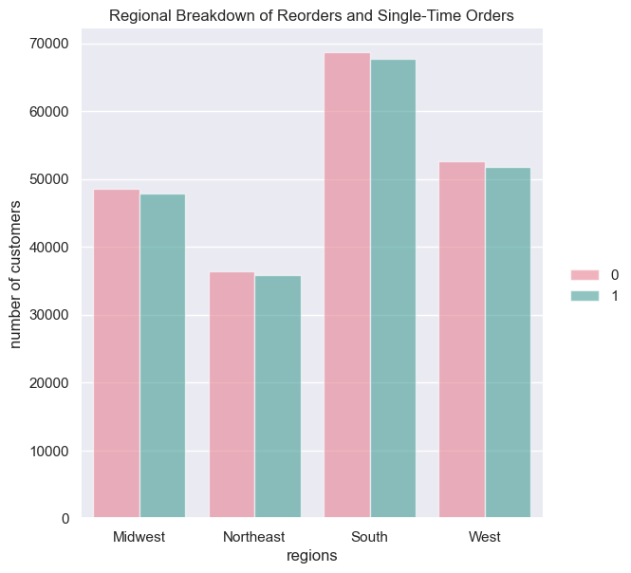

Fig 5.1
Fig 5.2

1. A large percentage of customers are low spenders across all regions
2. There is minimal variation in number of high-spending customer across regions
In all regions, there is an equal distribution between customers placing one-time orders and those reordering items.

5.2 Department Preferences by Region

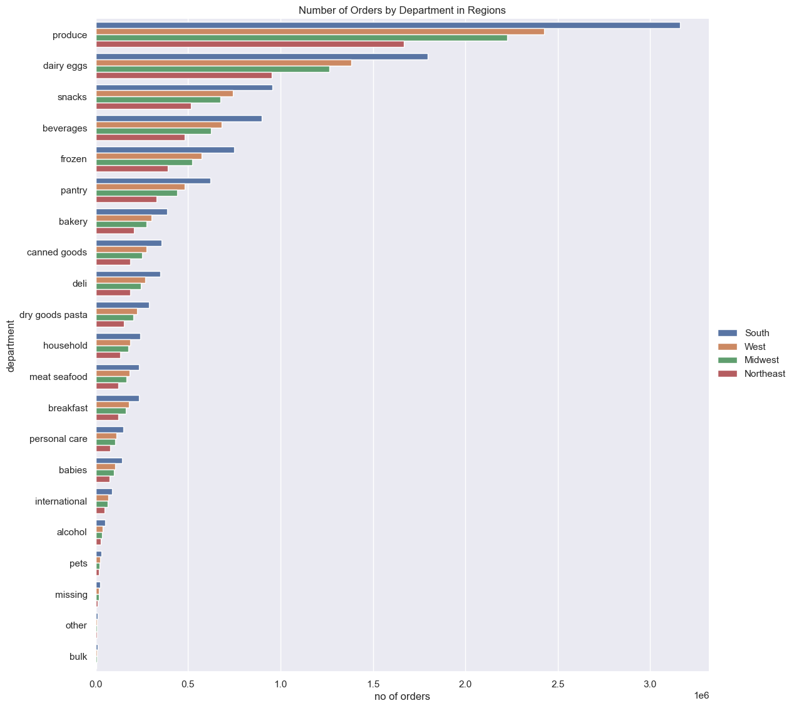

1. Across alll reegions, the preference for Produce, Dairy Eggs, and Snacks remains high
2. Items in departments Bulk, Missing and Other are least popular
3. Southern states have highest frequency of orders from all departments

Fig 5.4

5. Customer Loyalty Analysis

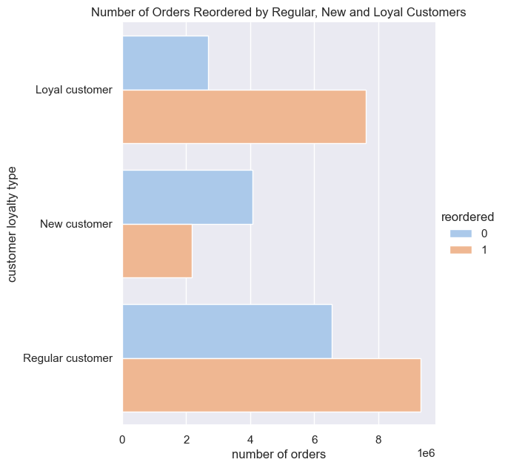
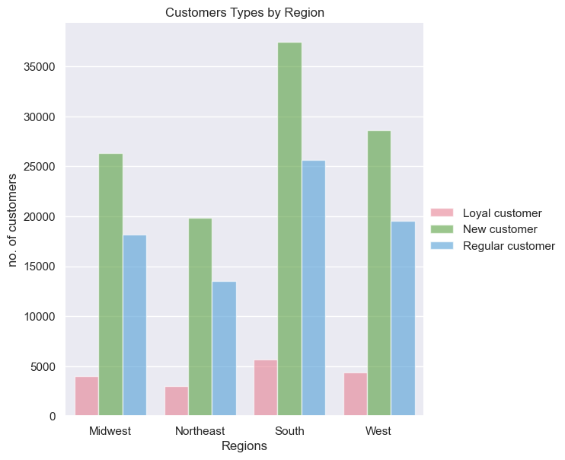

 |  |  |  |  |  |  |  |  | \

Fig 6.1
Fig 6.2

1. Orders were predominantly placed by Regular customers at 49%, with Loyalty customers contributing 32%
2. Regular and Loyal customers reorder products more frequently
3. New Customers by producst once off more rrequently
1. All regions have higher proportion of New customers
2. Southern states have the most customers
3. Southern states also has most number of Loyal, Regular and New Customers

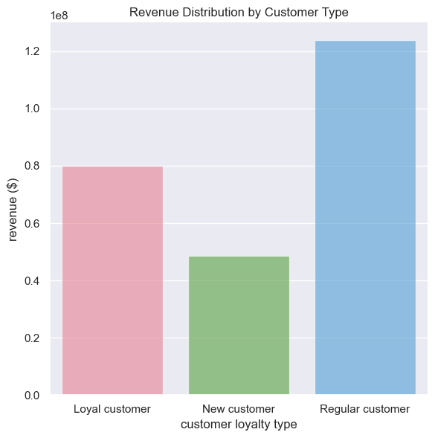

Regular and Loyal customers make the most orders and generate the most revenue, despite having higher proporting of new customers across all regions.

Fig 6.3

6.1 Preferences of Regular & Loyal Customers

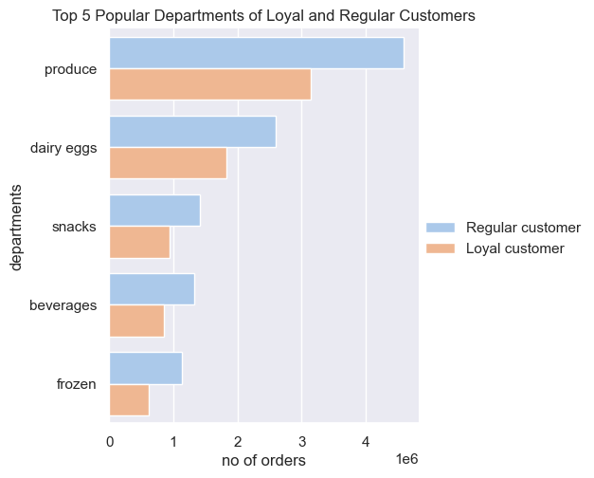
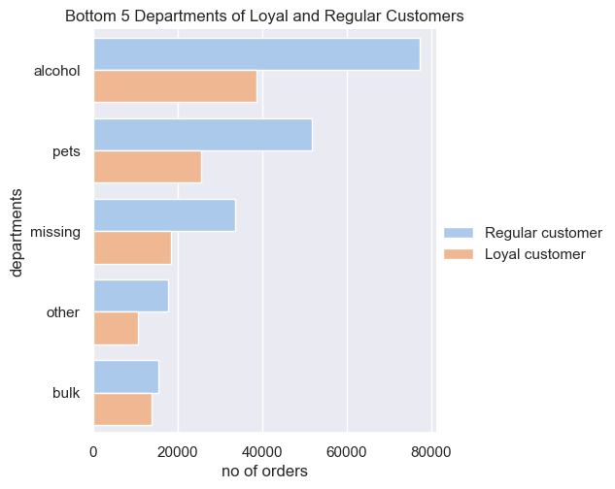

Fig 6.4
Fig 6.5

1. Across Loyal and Regular customers, department preferences are the same
2. Popular departments are producs, dairy eggs and snacks
3. Least popular items are from departments are bulk, other and missing

6.2 Top 10 Popular Products of Regular and Loyalty Customers

Regular Customer |  |  |  |  | Loyal Customer
Department | Product Name | Order Numbers | Revenue |  | Department | Product Name | Order Numbers | Revenue
Produce | Banana | 233,137 | $2,867,585.20 |  | Produce | Banana | 155,260 | $1,909,698.00
 | Bag of Organic Bananas | 176,251 | $1,815,385.40 |  |  | Bag of Organic Bananas | 144,304 | $1,486,331.20
 | Organic Strawberries | 120,510 | $879,723.00 |  |  | Organic Strawberries | 105,185 | $767,850.50
 | Organic Baby Spinach | 118,926 | $975,193.20 |  |  | Organic Hass Avocado | 84,207 | $336,828.00
 | Organic Hass Avocado | 98,590 | $394,360.00 |  |  | Organic Baby Spinach | 79,671 | $653,302.20
 | Organic Avocado | 89,695 | $565,078.50 |  |  | Organic Raspberries | 56,291 | $247,680.40
 | Large Lemon | 77,288 | $1,082,032.00 |  | Dairy eggs | Organic Whole Milk | 56,273 | $720,294.44
 | Strawberries | 72,026 | $93,633.80 |  | Produce | Organic Avocado | 50,398 | $317,507.40
 | Limes | 69,502 | $1,021,679.40 |  |  | Limes | 45,155 | $663,778.50
Dairy eggs | Organic Whole Milk | 62,273 | $797,094.40 |  | Produce | Large Lemon | 44,024 | $616,336.00
Fig 6.6
Fig 6.7

1. The top 10 popular products are consistent between regular and loyal customers with the exception of Strawberries and Organic Raspberries
2. Banana and Bag of Organic Banana is most popular amoung regular and loyal customers
3. Majority of popular products among both groups are from Produce department
4. Large lemons and Limes generate higher revenue than products with higher sales by Regular Customers
5. Limes and Organic Whole Milk generate higher revenue than products with higher sales by Loyal Customers

6.3 10 High Priced Products, Least Preferred Products of Regular and Loyal Customers

Regular Customer |  |  |  |  | Loyal Customer
Department | Product Name | Order Numbers | Revenue |  | Department | Product Name | Order Numbers | Revenue
meat seafood | Turkey Cranberry Sausage | 1 | $24.50 |  | meat seafood | Cocktail Sausages | 1 | $24.80
 | Lit'l Wieners | 1 | $23.10 |  |  | Beef (101445) Summer Sausage | 1 | $24.50
 | Beef Shaved Steak | 1 | $20.50 |  |  | Chicken Kiev | 1 | $23.90
 | Minnesota Twins Original Hot Dog | 1 | $20.30 |  |  | Beef Cube Steak | 1 | $23.80
 | Frankfurters, Beef, Colossal | 1 | $18.80 |  |  | Thick Cut Cherrywood Smoked Bacon | 1 | $23.80
 | Angus Beef Smoked Sausage | 1 | $18.20 |  |  | Chicken Bratwurst With Onions | 1 | $22.90
 | Cajun Flavor Smoked Smoked Salmon Alder Wood Smoked | 1 | $18.10 |  |  | Thin Pork Loin Chops | 1 | $22.20
 | Honey Spiral Half Ham | 1 | $17.60 |  |  | Spiral Ham | 1 | $21.60
 | Fresh Turkey Wings | 1 | $17.30 |  |  | Ham Steak, Boneless, Honey Cured | 1 | $21.50
 | Organic Beef Chuck Roast | 1 | $15.90 |  |  | Gluten Free Herb Crusted Fish Fillet | 1 | $20.90
Average |  |  | $19.43 |  | Average |  |  | $22.99
Fig 6.8
Fig 6.9

On average loyal customers buy high priced meat products compared to regular customers

6.2 Top 10 Popular Products of Regular and Loyalty Customers

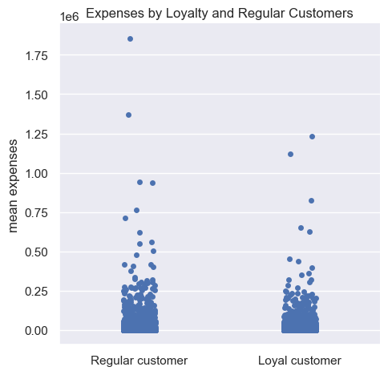

 |  |  |  |  | Number of Customers
 |  |  |  | Loyalty Type | High spenders | Low spenders | Low Spender %
 |  |  |  | Loyal customer | 69 | 16,948 | 99.59%
 |  |  |  | Regular customer | 622 | 76,242 | 99.19%
Fig 6.11

Regular customers have slightly higher expenses than loyal customers, yet both groups predominantly consist of low spenders

Fig 6.10

7. Analysis of Customers by Family Status, Dependenats and Age

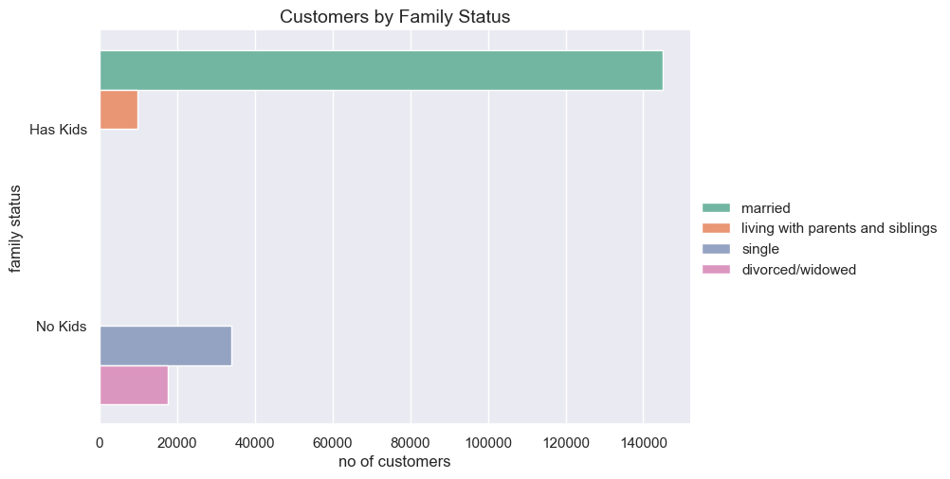

1. 70% of Insta cart customers are married and have kids
2. Smallest segment of customers (5%) are living with parents and siblings with kids
3. Divorced, widowed and single customers have no kids

Fig 7.1
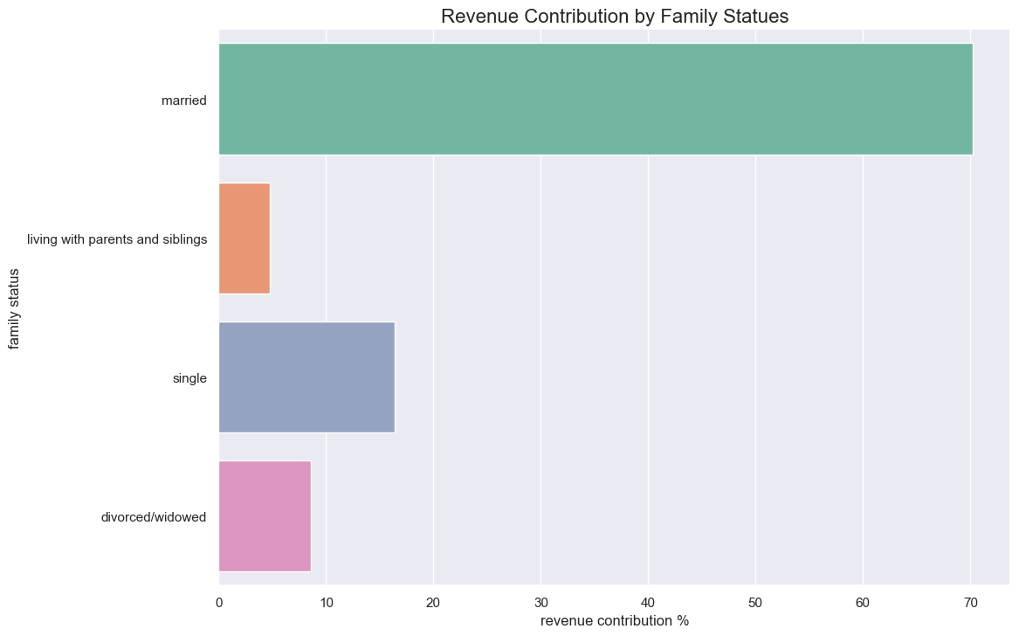

1. 70% of revenue is generated by married customers
2. There is a direct positive correlation between number of customers and revenue generated by family groups.

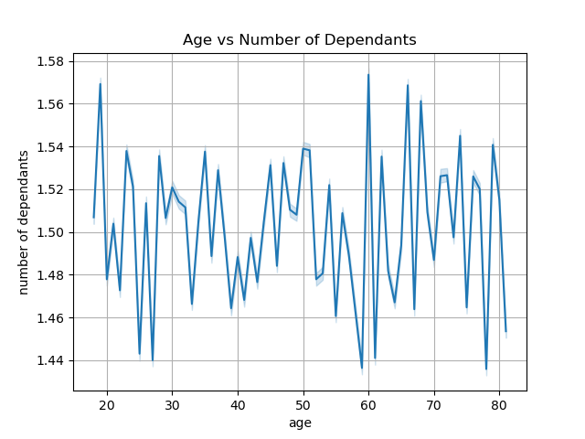

Fig 7.2

Customers Age Range by Family Status

 |  |  |  |  |  | Age
 |  |  |  |  | Family Status | Min | Max | Mean
 |  |  |  |  | divorced/widowed | 60 | 81 | 71
 |  |  |  |  | living with parents and siblings | 18 | 21 | 20
 |  |  |  |  | married | 22 | 81 | 51
 |  |  |  |  | single | 18 | 59 | 39
Fig 7.3

1. Divorced and Widowed customers are above the age 60
2. Customers that live with parents and siblings are young adutls between 18 and 21

There is no correlation between age and dependants. Customers of all ages have dependants

7.1 Department and Product Preferences of Married Customers

Since the large segment of customers are married and generate the most revenue, we will focusing on ordering habits of married customers

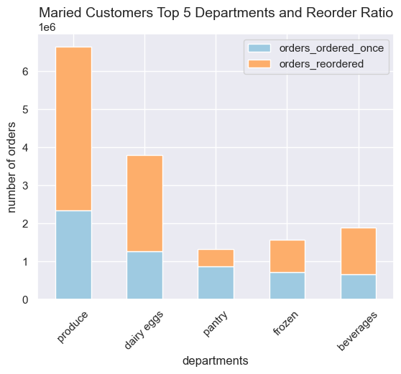
Top 5 Most Popular Departments

 |  |  |  | Department | Revenue | Number of Orders
 |  |  |  | produce | $53,081,312 | $6,654,218
 |  |  |  | dairy eggs | $31,531,686 | $3,788,598
 |  |  |  | beverages | $14,513,897 | $1,889,052
 |  |  |  | frozen | $12,139,910 | $1,569,050
 |  |  |  | pantry | $10,558,627 | $1,318,340

1. Produce, dairy eggs, beverages and frozen are the same top 4 popular department as rest of the customer base
2. Instead of snacks, pantry items are purchased more frequently but are not frequently reordered
3. Bottom 5 preferred departments are same the whole customer base

Fig 7.4

Top 10 Pantry Items Purchased by Married Couples

Produce Name | Number of Orders | Revenue
Extra Virgin Olive Oil | 34,659 | $197,556
Creamy Almond Butter | 15,095 | $48,304
Creamy Peanut Butter | 13,976 | $160,724
Organic Creamy Peanut Butter | 12,612 | $116,030
Organic Ketchup | 10,674 | $84,325
Strawberry Preserves | 10,652 | $149,128
Organic Medium Salsa | 10,367 | $10,367
Mild Salsa | 10,188 | $131,425
Organic Extra Virgin Olive Oil | 9,417 | $128,071
Light Brown Sugar | 9,375 | $81,563
Fig 7.5

7.2 Department and Product Preferences of Living with Parents and Siblings

Since the Instacart hold lowest share of customers that live with parents and siblings, there is an opportunity to target this segment

Top 5 Most Popular Departments
1. Produce, dairy eggs, beverages, snacks and frozen are the same top 5 popular department as rest of the customer base
2. Customers living with parents and siblings and married customers both have kids, but customers living with parents purchase snacks items more frequenctly than married customers

Department | Number of Orders | Revenue ($)
produce | 449,628 | $3,597,450.00
dairy eggs | 260,787 | $2,176,188.50
snacks | 137,163 | $585,459.30
beverages | 124,629 | $958,098.40
frozen | 108,533 | $834,929.30
Fig 7.6

Top 10 Most Popular Products

The top 10 popular products are consistent between regular customers
Department | Product Name | Number of Orders | Revenue
Produce | Banana | 22,953 | $282,321.90
 | Bag of Organic Bananas | 17,899 | $184,359.70
 | Organic Strawberries | 12,316 | $89,906.81
 | Organic Baby Spinach | 11,605 | $95,161.00
 | Organic Hass Avocado | 9,637 | $38,548.00
 | Organic Avocado | 8,403 | $52,938.90
 | Large Lemon | 7,123 | $99,722.00
 | Strawberries | 6,671 | $8,672.30
 | Limes | 6,634 | $97,519.80
Dairy Eggs | Organic Whole Milk | 6,455 | $82,624.00
Fig 7.7

8. Correlation between Income, Expenses (Spending Power) and Age

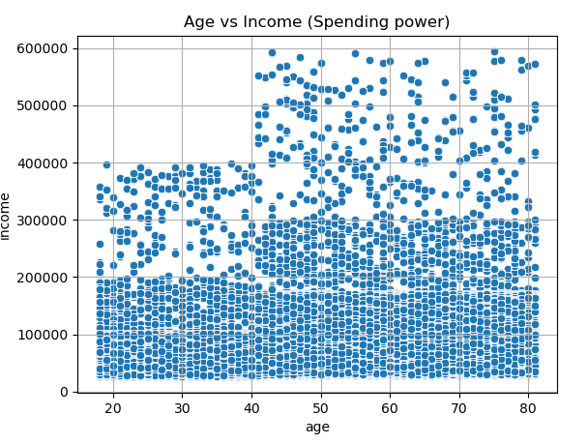
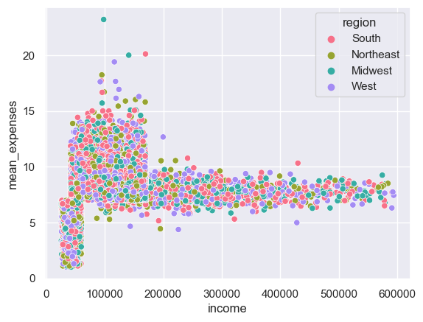

Fig 8.1
Fig 8.2

1. There is no relationship between region, income and mean expenses
2. There is a higer distribution of expenses within customers with income between 7$75,000 and $180,000
1. Ages between 18 to 40 have lower spending power compared to above 40
2. Customers between 18 and 40 have income less than $400,000.
3. Larger subset of customers between age 18 and 40 have less than $200,000
4. Customers above 40 surpass $400,000 and earn upto $600,000

8.1 Analyse High Expense (more than $10) Customers

Top 5 Most Popular Departments
Large percentage of customers with high expenses are married but have average income of $107,151. This is expected as married couples have dependants and require more groceries
 |  | Income
Family status | No of customers | Min | Max | Mean | Median
divorced/widowed | 282 | $61,577 | $430,161 | $125,755 | $121,446
living with parents and siblings | 163 | $42,294 | $101,149 | $72,514 | $73,655
married | 2327 | $41,746 | $220,987 | $107,151 | $103,702
single | 617 | $41,933 | $241,645 | $102,235 | $96,705
Fig 8.3

8.2 Analyse Low and High Income Earners Customers

Since there is significant difference in spending by customers earning below $75,000, $75,000 to $180,000 and above $180,000, analyses on ordering habits and contribution to Instacart was conducted on these groups

Revenue Contirbution by Income
68% of revenue is generated from middle income earners
Only 0.6% of customers are high income earners
Income Type | Number of Orders | Revenue Contribution (%) | % of Customers
Low income | 10,442,820 | 30.8 | 37.3
Mid income | 21,666,199 | 68.3 | 62.2
High income | 295,840 | 0.9 | 0.6
Fig 8.4

8.3 Low, Middle and High Income Earners Department and Product Preferences

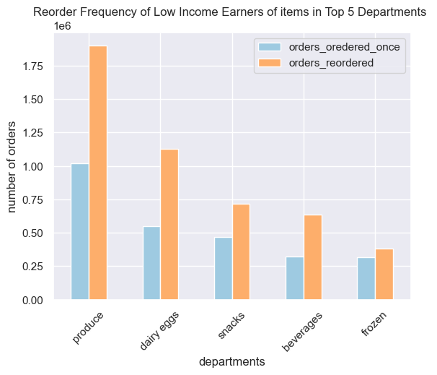
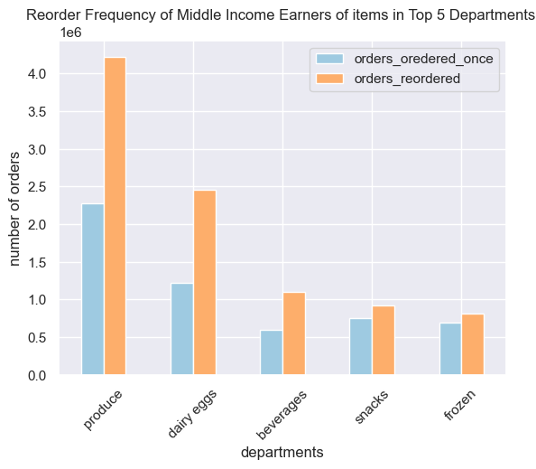
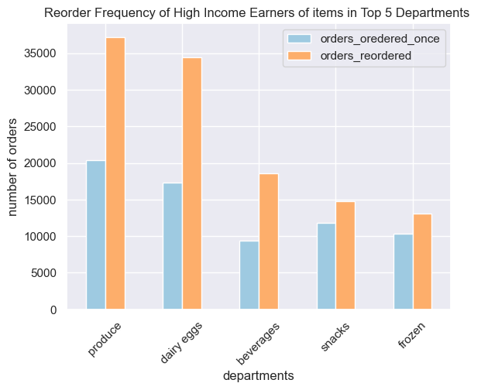

 | v

Fig 8.5
Fig 8.6
Fig 8.7

1. Low, middle and high income earners predominantly spend in the same departments and match the preferences of Instacart full customer base
2. All income earners show a higher frequency of reordering from their top 5 preferred departments

Top 10 Popular Products of High and Low Incomes

Top 10 Preferred Products of Low Income Earners |  |  |  |  | Top 10 Preferred Products of High Income Earners
Department | Product Name | Number of Orders | Revenue |  | Department | Product Name | Number of Orders | Revenue
produce | Banana | 469,258 | $5,771,874 |  | produce | Banana | 3,307 | $40,676
 | Bag of Organic Bananas | 377,488 | $3,888,127 |  | dairy eggs | Lowfat 2% Milkfat Cottage Cheese | 2,364 | $-
 | Organic Strawberries | 263,993 | $1,927,149 |  | produce | Bag of Organic Bananas | 1,962 | $20,209
 | Organic Baby Spinach | 241,535 | $1,980,587 |  | dairy eggs | 2% Reduced Fat Milk | 1,023 | $9,412
 | Organic Hass Avocado | 213,084 | $852,336 |  | produce | Small Hass Avocado | 952 | $8,378
 | Organic Avocado | 176,115 | $1,109,525 |  | bakery | 100% Whole Wheat Bread | 944 | $4,909
 | Large Lemon | 151,834 | $2,125,676 |  | frozen | Blueberries | 929 | $9,847
 | Strawberries | 142,365 | $185,075 |  | produce | Organic Fuji Apple | 894 | $1,430
 | Limes | 139,774 | $2,054,678 |  | produce | Limes | 853 | $12,539
dairy eggs | Organic Whole Milk | 137,687 | $1,762,394 |  | dairy eggs | Fresh CA Grown Eggs | 846 | $5,668
Fig 8.8
Fig 8.9
High income earners buy a mix of produce, dairy and bakery products most frequently
Low Income earners buy more produce. Banana is the most frequently purchased product

Top 10 Preferred Products of Middle Income Earners
Department | Product Name | Number of Orders | Revenue
produce | Banana | 329,480 | $4,052,604
Middle Income earners buy more produce. Again, banana is the most frequently purchased product
Except for Organic Raspberries, midddle and low income earners have the same top 10 product preferences
 | Bag of Organic Bananas | 253,362 | $2,609,629
 | Organic Strawberries | 182,236 | $1,330,323
 | Organic Baby Spinach | 168,045 | $1,377,969
 | Organic Hass Avocado | 145,773 | $583,092
 | Organic Avocado | 124,083 | $781,723
 | Large Lemon | 109,669 | $1,535,366
 | Limes | 101,606 | $1,493,608
dairy eggs | Organic Whole Milk | 99,844 | $1,278,003
produce | Organic Raspberries | 92,328 | $406,243
Fig 8.10

7. Recommendations
 |  |  | Title page

Recommendations

Main Recommendations

1. Instacart currently has a small portion of the high-income earner market. This could be due to the fact that high-income earners often have additional assistance for grocery shopping and may prefer to buy locally, selecting their fresh items personally. To increase sales, we recommend for Instacart to conduct market research on high-income earners, including their shopping habits, stores and products they buy.
2. Instacart also has a limited market share among customers who live with their parents, siblings, and have children. These are typically young adults with larger families and lower spending power. We recommend for Instacart to expand its bulk product offerings, particularly in the produce, dairy eggs, beverages, snacks and frozen departments, to cater to this demographic's needs
3. We recommend launching scheduled marketing campaigns aimed at married, low-income, and regular customers, as they represent the majority of the market share and are key revenue generators. We recommend launching weekly campaigns featuring top preferred items that is sent on Tuesdays between 12 AM and 5 AM, aligning with periods of higher spending and lower order volumes.
2

Answers to Key Data Questions

Question | Answer | Chart Reference
What the busiest days of the week and hours of the day are (i.e., the days and times with the most orders) in order to schedule ads at times when there are fewer orders. | 1. Busiest days of the week are Saturday and Sunday. Busiest times are between 10am and 4pm peaking at 10am, 11am and 2pm 2. Least orders are made on Tuesday and Wednesday between 12am and 5am | Fig 1.1 Fig 1.2
What times of the day when people spend the most money | 3. On average, people spend most money between 10pm and 7pm, with peaks at 10pm, 1am, 4am and 7am | Fig 2.1
Proposed pricing groups for marketing department | Mid-range product: $5 to $10 Low-range product: <= $5 High-range product: > $10 | Fig 3.1 Fig 3.2
What types of products that are more popular than others. Highest Frequency of products | Produce and Dairy Eggs products are most popular and bought most frequently by Instacart customers | Fig 4.1
Are there differences in ordering habits based on a customer’s region? | Southern states have most number of customers. Across all regions are there are high proportion of low spending customers. There is no difference in preference of departments based on customer's region. The preferences are the same as identified for the whole customer base in Fig 4.1 | Fig 5.1 Fig 5.2 Fig 5.3
What’s the distribution among users in regards to their brand loyalty (i.e., how often do they return to Instacart) | There are more new customers across all regions but contribute the least in orders, reorders and revenue. Regular customers contribute the most in orders, reorders and revenue | Fig 6.1 Fig 6.2 Fig 6.3
Ordering habits of Regular and Loyal Customers since they generate most revenue and make most orders | Regular and Loyal customers share the same preference of top 5 departments: produce, dairy eggs, snacks, beverages, and frozen. They also have common choices in their top 10 product preferences, with a notable difference in fruit selection. Regular customers show a higher frequency of purchasing Strawberries, while Loyal customers tend to prefer Organic Raspberries. Regular customers have slightly high expenses but both groups predominatly consists of low spenders | Fig 6.4 Fig 6.5 Fig 6.6 Fig 6.7 Fig 6.8 Fig 6.9 Fig 6.10 Fig 6.11
Is there a connection between age and family status in terms of ordering habits? | There is no direct correlation between age and family status to determine ordering habits Young adults aged 18 to 21, living with kids and siblings, showed a preference for products from the produce, dairy eggs, snacks, beverages, and frozen departments Customers who are divorced or widowed fall into the 60+ age group, while single customers range in age from 18 to 51. Despite these age differences, both groups share similar department preferences, favoring produce, dairy eggs, pantry items, beverages, and frozen goods | Fig 7.3 Fig 7.6 Fig 7.7
Order habits of married customers with kids since they are 70% of customer base and generate the most revenue | Married couples top preferred departments are Produce, dairy eggs, beverages and frozen, which is consistent with rest of the customer base. But instead of snacks, pantry items are purchased more frequently. The reorder rate for pantry items is lower than other deprtments because products, like Extra Virgin Olive Oil, Butters, Strawberry Preserves, and Light Brown Sugar, have a longer shelf life. | Fig 7.1 Fig 7.2 Fig 7.4 Fig 7.5
Ordering habits of customers with income more than $75,000 and less than $180,000 (middle income earners). There is a higer distribution of expenses and generate 68% of revenue | A greater proportion of customers aged 18 to 40 have an income below $200,000 A large percentage of customers that have income less than $200,000 are married with kids Low income and middle income earners top preferences are the same as the overall customer base; produce, dairy eggs, beverages and frozen. The product preferences are also the same as the regular customers as identified in Fig 6.6 | Fig 8.1 Fig 8.2 Fig 8.3 Fig 8.4 Fig 8.5 Fig 8.6 Fig 8.7 Fig 8.9 Fig 8.10
Ordering habits of customers with income more than $180,000 as Instacart hold a small market share and have high spending power | A greater proportion of customers above aged 40 have an income above $200,000 While high-income earners share the same top department preferences as the overall customer base, their favored products primarily come from the produce, dairy eggs, and bakery departments. List can be found in Fig 8.7 | Fig 8.2 Fig 8.8

